Sheet1
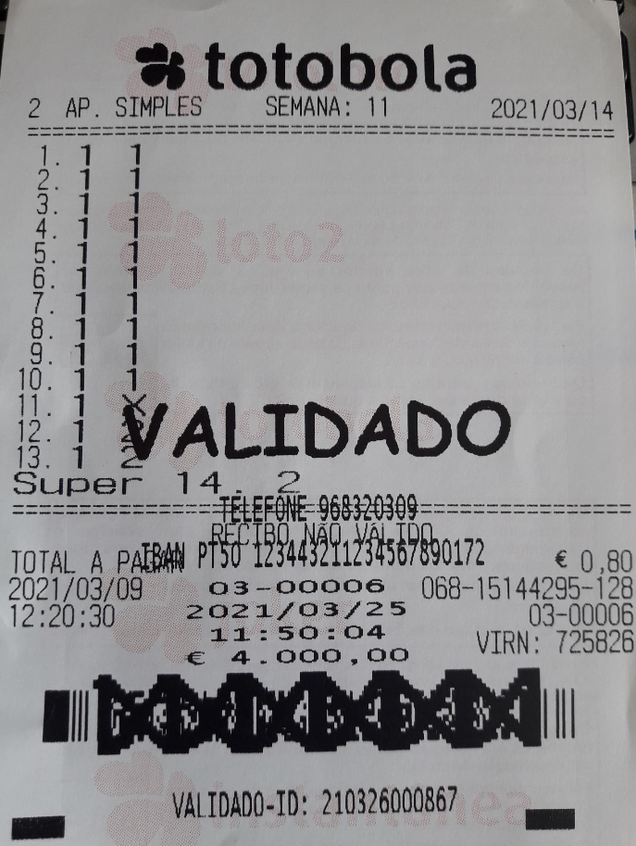
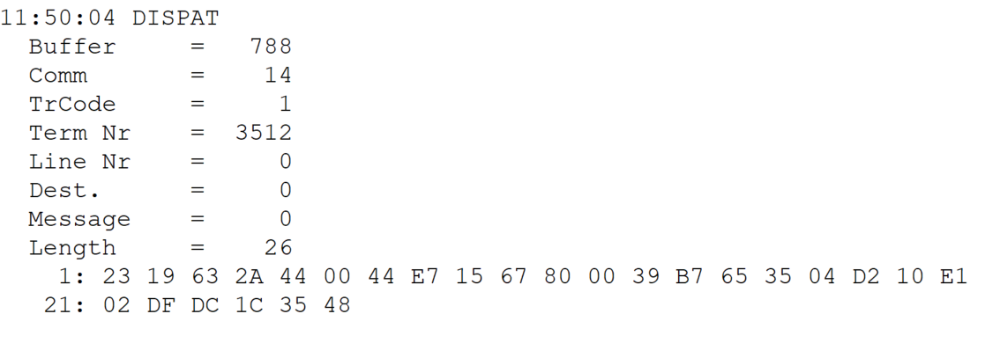
 |  |  |  |  | HEXA | BIN | DEC
TestByte |  | Size | Field Contents
Start | End
1 | 1 | 1 | Control | Sequence | 23 | Control=0010 Sequence=0011 | 2 3 | Control -> x10 - Application Message Sequence -> 3
2 | 2 | 1 | Type = 1 | Subtype = see below | 19 | Type=0001 Subtype=1001 | Type=1 Subtype=9 | Type = 1 Subtype = 9 -> New Validation Inquiry Bank Transfer Accepted
3 | 4 | 2 | Checksum |  | 63 2A
5 | 5 | 1 | Statistics (see below) |  | 44 |  |  | x40 = Reader Entry
6 | 7 | 2 | Wager Julian Date |  | 00 44 |  | 68 | 31+28+9=68
8 | 10 | 3 | Wager Serial Number |  | E7 15 67 |  | 15144295 | 15144295
11 | 11 | 1 | Wager Check Digits |  | 80 |  | 128 | 128
12 | 12 | 1 | Telephone Number = 0 / Player Card = 1 |  | 00 |  | 0 | Telephone Number = 0
13 | 16 | 4 | Player Card / Telephone Number |  | 39 B7 65 35 |  | 968320309 | 968320309
17 | 26 | 10 | NIB |  | 04 D2 10 E1 02 DF DC 1C 35 48 |  | 22764498443492447237448 | 22764498443492447237448
 |  |  |  |  | IBAN É -> 6B11E629671EDA4FC

 |  |  |  |  |  |  | 50 54 35 30 -> PT50

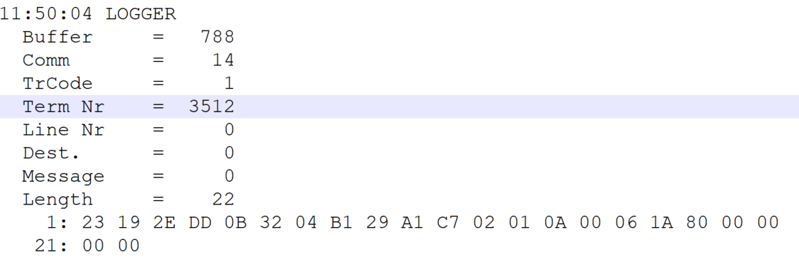
TestByte |  | Size | Field Contents
Start | End
1 | 1 | 1 | Control | Sequence | 23 | Control=0010 Sequence=0010 | 2 2 | Control -> x10 - Application Message Sequence -> 2
2 | 2 | 1 | Type = 1 | Subtype = see below | 19 | Type=0001 Subtype=1001 | Type=1 Subtype=9 | Type = 1 Subtype = 9 ->New Validation Bank Transfer Accepted
3 | 4 | 2 | Checksum |  | E2 DD
5 | 7 | 3 | Time |  | 0B 32 04 |  | 11:50:04 | 11:50:04
8 | 10 | 3 | Validation Serial Number |  | B1 29 A1 |  | 11610529 | 11610529
11 | 11 | 1 | Validation Check Digits |  | C7 |  | 199 | 199
12 | 12 | 1 | Game Type |  | 02 |  | 2 | SPRT - Totobola
13 | 13 | 1 | Game Index |  | 01 |  | 1 | Normal
14 | 14 | 1 | Validation Status |  | 0A |  | 10 | 10 = No Exchange Ticket
15 | 18 | 4 | Cash Amount (Validation Units) |  | 00 06 1A 80 |  | 400000 | 400000 cent = 4000 euros
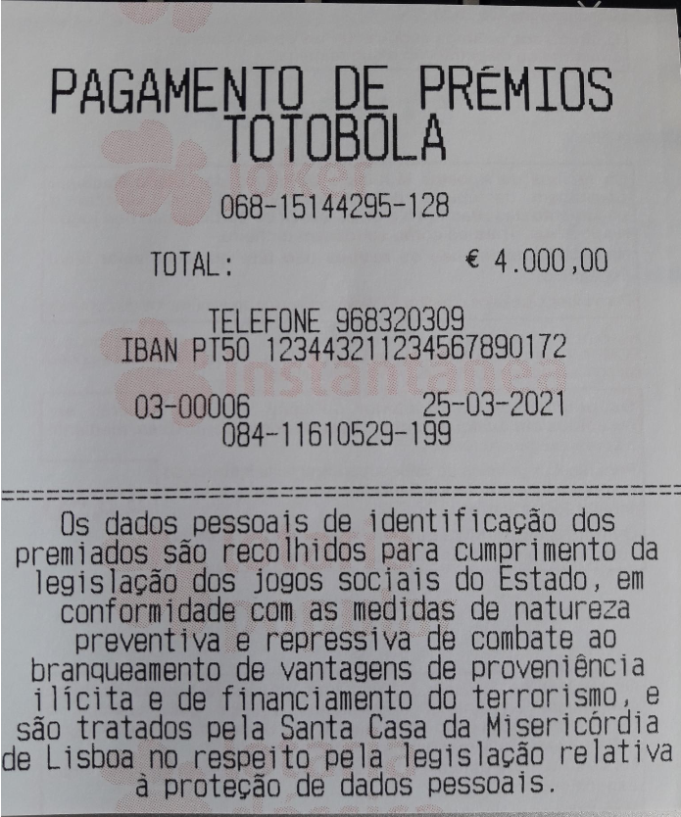
19 | 22 | 4 | Refund Amount (Validation Units) |  | 00 00 00 00 |  | 0 | 0

